note
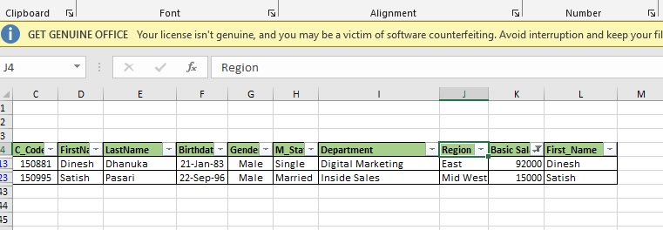
I an using a filter and check the max salary and min so that answer give to me this

